Sheet1
Complete DDIC concepts: Domain, Data Element, Header & Item Tables, Value Table, Check Table, Generic Buffer (SPRAS), View, Structure, Search Help, Lock Object, TMG. |  |  |  |  |  |  |  |  |  | SHUBHAM RANDIVE

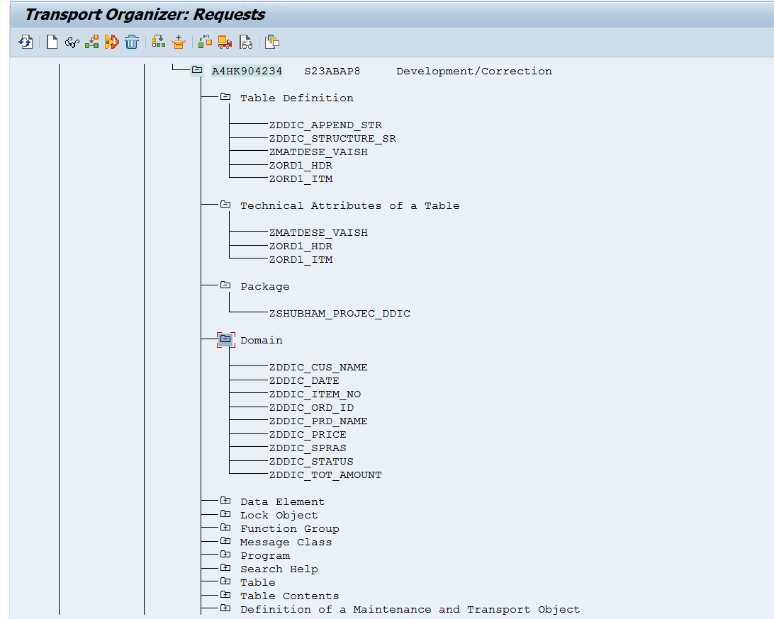
 |  |  |  |  |  |  |  |  |  |  | TR | A4HK904234
 | Table No. 01 | ZORD1_ITM
 | Table No. 02 | ZORD1_ITM |  |  |  |  |  | Tasks | Status |  | Package | ZSHUBHAM_PROJEC_DDIC
 |  |  |  |  |  |  |  | 1. Domain | Complete
 |  |  |  |  |  |  |  | 2. Data Element | Complete
 | ZORD1_HDR |  |  |  |  |  |  | 3. Tables | Complete
 |  |  |  |  |  |  |  | 4. FK | Complete |  | TASK NO. | 1 | Domain
 | Field Name | Key | Data Element | Domain | Data Type | Length | Description | 5. Buffer (SPRAS) | Complete
 | MANDT | Y | MANDT | MANDT | CLNT | 3 | Client (System Field) | 6. Search Help | Complete |  | Domain | STATUS |  | Domain | Status
 | ORDER_ID | Y | ZDDIC_ORD_ID | ZDDIC_ORD_ID | NUMC | 10 | Unique Order Number | 7. View | Complete |  | ZDDIC_ORD_ID | Active |  | ZDDIC_ITEM_NO | Active
 | SPRAS | Y | ZDDIC_SPRAS | ZDDIC_SPRAS | LANG | 2 | Language Key | 8. Structure | Complete |  | ZDDIC_SPRAS | Active |  | ZDDIC_PRD_NAME | Active
 | CUSTOMER_NAME | N | ZDDIC_CUS_NAME | ZDDIC_CUS_NAME | CHAR | 50 | Customer Name | 9. Lock Object | Complete |  | ZDDIC_CUS_NAME | Active |  | ZDDIC_PRICE | Active
 | STATUS | N | ZDDIC_STATUS | ZDDIC_STATUS | CHAR | 1 | Order Status (P/A/C etc.) | 10. TMG | Complete |  | ZDDIC_STATUS | Active |  | Item Table
 | TOTAL_AMOUNT | N | ZDDIC_TOT_AMOUNT | ZDDIC_TOT_AMOUNT | CURR | 13 (2) | Total Order Amount | 11. Insert Data | Complete |  | ZDDIC_TOT_AMOUNT | Active
 |  |  |  |  |  |  |  | 12. Create T-Code | Complete |  | Header Table

 | Data
 |  |  |  |  |  |  |  |  |  |  | TASK NO. | 2 | Data Elements
 | ORDER_ID | SPRAS | CUSTOMER_NAME | STATUS | TOTAL_AMOUNT
 | 101 | EN | Customer1 | A | 1000 |  |  |  |  |  | Data Elements | STATUS |  | Domain | Status
 | 102 | EN | Customer2 | A | 2000 |  |  |  |  |  | ZDDIC_ORD_ID | Active |  | ZDDIC_ITEM_NO | Active
 | 103 | EN | Customer3 | A | 3000 |  |  |  |  |  | ZDDIC_SPRAS | Active |  | ZDDIC_PRD_NAME | Active
 | 104 | EN | Customer4 | A | 4000 |  |  |  |  |  | ZDDIC_CUS_NAME | Active |  | ZDDIC_PRICE | Active
 | 105 | EN | Customer5 | A | 5000 |  |  |  |  |  | ZDDIC_STATUS | Active |  | Item Table
 | 106 | EN | Customer6 | A | 6000 |  |  |  |  |  | ZDDIC_TOT_AMOUNT | Active
 | 107 | EN | Customer7 | A | 7000 |  |  |  |  |  | Header Table
 | 108 | EN | Customer8 | A | 8000
 | 109 | EN | Customer9 | A | 9000 |  |  |  |  |  | TASK NO. | 3 | Tables
 | 110 | EN | Customer10 | A | 10000

 |  |  |  |  |  |  |  |  |  |  | Table Name | Description | No. Of Fields | Status
 | ZORD1_ITM |  |  |  |  |  |  |  |  |  | ZORD1_HDR | Table For DDIC Project By Sr | 6 | Active
 |  |  |  |  |  |  |  |  |  |  | ZORD1_ITM | Item Table for DDIC project By SR | 6 | Active
 | Field Name | Key | Data Element | Domain | Data Type | Length | Description
 | MANDT | Yes | MANDT | MANDT | CLNT | 3 | Client
 | ORDER_ID | Yes | ZDDIC_ORD_ID | ZDDIC_ORD_ID | NUMC | 10 | Order Number
 | SPRAS | Yes | ZDDIC_SPRAS | ZDDIC_SPRAS | LANG | 2 | Language Key
 | ITEM_NO | Yes | ZDDIC_ITEM_NO | ZDDIC_ITEM_NO | NUMC | 6 | Item Number |  |  |  | TASK NO. | 4 | FK
 | PRODUCT_NAME | No | ZDDIC_PRD_NAME | ZDDIC_PRD_NAME | CHAR | 50 | Product Name
 | PRICE | No | ZDDIC_PRICE | ZDDIC_PRICE | CURR | 13(2) | Product Price |  |  |  | Fields | Value Table | Status
 |  |  |  |  |  |  |  |  |  |  | MANDT | ZORD1_HDR | Active
 |  |  |  |  |  |  |  |  |  |  | ORDER_ID | ZORD1_HDR | Active
 | DATA |  |  |  |  |  |  |  |  |  | SPRAS | ZORD1_HDR | Active

 | ORDER_ID | SPRAS | ITEM_NO | PRODUCT_NAME | PRICE
 | 101 | EN | 1 | Product1 | 500
 | 102 | EN | 2 | Product2 | 1000
 | 103 | EN | 3 | Product3 | 1500 |  |  |  |  |  | TASK NO. | 10 | TMG
 | 104 | EN | 4 | Product4 | 2000
 | 105 | EN | 5 | Product5 | 2500 |  |  |  |  |  | TMG | Table Name
 | 106 | EN | 6 | Product6 | 3000 |  |  |  |  |  | ZORD1_HDR | ZORD1_HDR
 | 107 | EN | 7 | Product7 | 3500 |  |  |  |  |  | ZORD1_ITM | ZORD1_ITM
 | 108 | EN | 8 | Product8 | 4000
 | 109 | EN | 9 | Product9 | 4500
 | 110 | EN | 10 | Product10 | 5000

 |  |  |  |  |  |  |  |  |  |  | TASK NO. | 11 | Insert Data

 |  |  |  |  |  |  |  |  |  |  | Table Name | Operation | Status
 |  |  |  |  |  |  |  |  |  |  | ZORD1_HDR | Insert Data | Success
 |  |  |  |  |  |  |  |  |  |  | ZORD1_ITM | Insert Data | Success

 |  |  |  |  |  |  |  |  |  |  | TASK NO. | 7 | Views

 |  |  |  |  |  |  |  |  |  |  | View Type | View Name | Status | TMG
 |  |  |  |  |  |  |  |  |  |  | Database View | ZDBVIEW_DDIC | Active | No
 |  |  |  |  |  |  |  |  |  |  | Projection View (Header) | ZPROJVIEW_DDIC | Active | No
 |  |  |  |  |  |  |  |  |  |  | Projection View (Item) | ZPROJVIEW_DDIC_I | Active | No
 |  |  |  |  |  |  |  |  |  |  | Maintainance View | ZMAINVIEW_DDIC | Active | ZMAINVIEW_DDIC
 |  |  |  |  |  |  |  |  |  |  | Help Veiw (Header) | ZHELPVIEW_DDIC | Active | No
 |  |  |  |  |  |  |  |  |  |  | Help Veiw (Item) | ZHELPVIEW_DDIC_I | Active | No

 |  |  |  |  |  |  |  |  |  |  | TASK NO. | 6 | Search Help

 |  |  |  |  |  |  |  |  |  |  | Search Help Name | Applied On | Status | Type
 |  |  |  |  |  |  |  |  |  |  | ZDDIC_SEARCH_HELP | ORDER_ID of HDR Table | Active | Elementary Search
 |  |  |  |  |  |  |  |  |  |  | ZDDIC_SEARCH_HELP_CNAME | Product name of ITEM Table | Active | Elementary Search
 |  |  |  |  |  |  |  |  |  |  | ZDDIC_COLL_SEARCH_DDIC |  |  | Collective Search

 |  |  |  |  |  |  |  |  |  |  | TASK NO. | 5 | Buffer
 |  |  |  |  |  |  |  |  |  |  |  |  |  |  |  | Generic Buffer
 |  |  |  |  |  |  |  |  |  |  | Buffer Name | Status | Buffer Type | Table Name
 |  |  |  |  |  |  |  |  |  |  | ZDDIC_SINGLE_BUFFER_SR | Active | Single Buffer | ZORD1_HDR
 |  |  |  |  |  |  |  |  |  |  | ZDDIC_FULLBUFFER_SR | Active | Full Buffer | ZORD1_ITM
 |  |  |  |  |  |  |  |  |  |  | ZDDIC_GENERICBUFFER_SR | Active | Generic Buffer | ZORD1_HDR

 |  |  |  |  |  |  |  |  |  |  | TASK NO. | 8 | Structure

 |  |  |  |  |  |  |  |  |  |  | Structure Name | Status | Type | Table Name | Data Element
 |  |  |  |  |  |  |  |  |  |  | ZDDIC_STRUCTURE_SR | Active | Include Structure | ZORD1_HDR | ZDDIC_DATE

 |  |  |  |  |  |  |  |  |  |  |  |  |  |  |  |  |  | ee
 |  |  |  |  |  |  |  |  |  |  | TASK NO. | 9 | Lock Object
 |  |  |  |  |  |  |  |  |  |  |  |  |  |  | Shared Lock |  | Write Lock
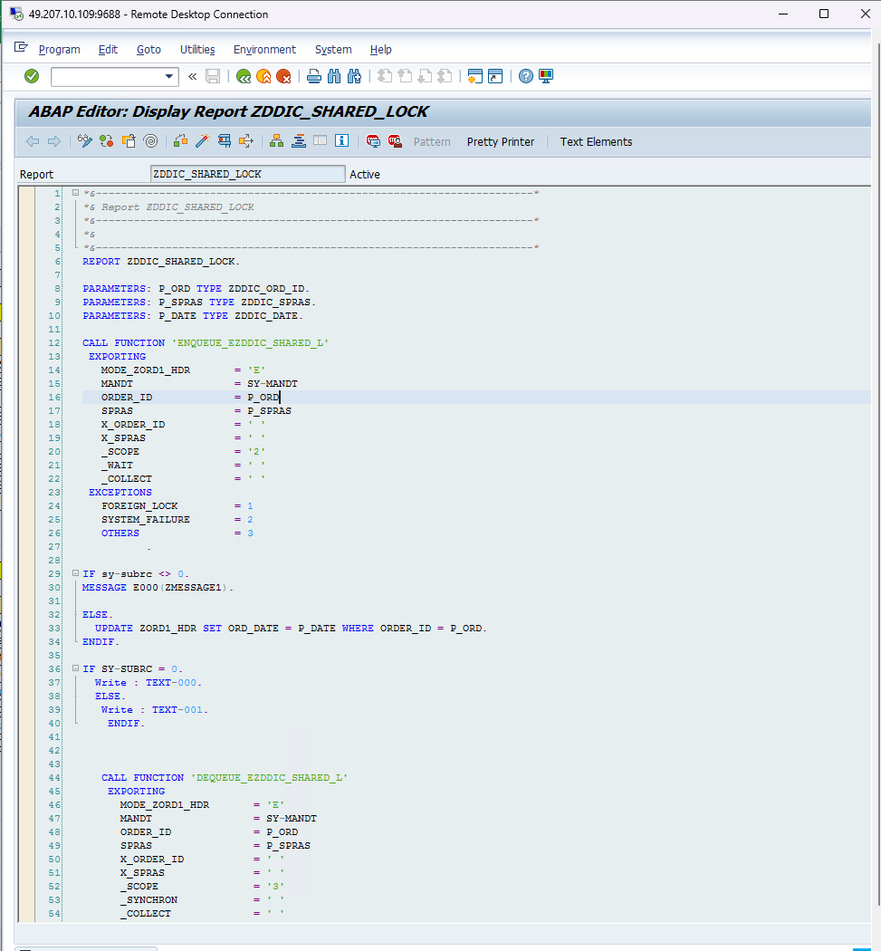

 |  |  |  |  |  |  |  |  |  |  | Lock Object Name | Type | Table Name
 |  |  |  |  |  |  |  |  |  |  | EZDDIC_SHARED_L | Shared Lock | ZORD1_HDR
 |  |  |  |  |  |  |  |  |  |  | EZDDIC_EXCLUSIVE | Write Lock | ZORD1_HDR
 |  |  |  |  |  |  |  |  |  |  | EZDDIC_EWRITEL | Exclusive Lock | ZORD1_HDR

 |  |  |  |  |  |  |  |  |  |  | TASK NO. | 12 | Create T-Code

 |  |  |  |  |  |  |  |  |  |  | T-Code | Access Screen
 |  |  |  |  |  |  |  |  |  |  | ZDDIC_UPDATE | SM30 for ZORD1_HDR table

